ReadMe
Robot Framework-Selenium Cookbook for euHRreka Test Automation

 | READ ME!!!

 | Please feel free to add code snippets or any useful tips you can share to the team
 | You can add new tabs/sheets for your recipe (since this is a cookbook :D) so we can easily find what we need :)

 | Recipe Formatting: (Including text color, Italicization)
 | Recipe#1: | How to set the value of a variable based on which system it is running?

 | Solution: | Use built-in keyword "Set Variable If"

 |  | ${Manage_Holder_Transfer_to}= | Set variable if
 |  | ... | ${Password}' == 'EQ1-800' | OM_Sub1 Employee 2
 |  | ... | ${Password}' == 'EQC-800' | GAMO_GL_G_MGR
 |  | ... | ${Password}' == 'D04-100' | GAMO_GL_G_MGR

 | Note/s: | include the ellipsis (...)

 | Copy then Paste the format above when adding an entry to this cookbook
 | * A cell represents a tab in the RF test scripts

Flow Control
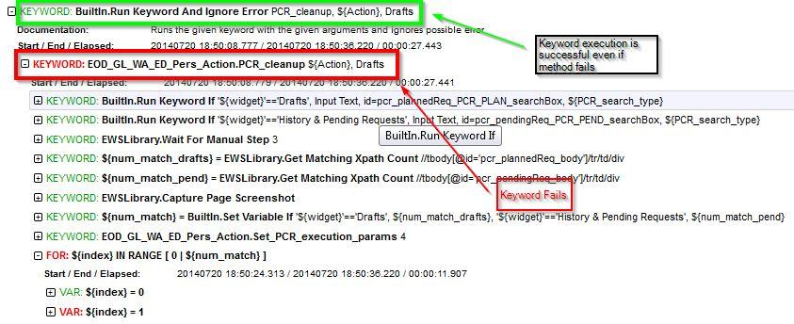
Recipe#1: | How to set the value of a variable based on which system it is running?
 | In this case, ${Manage_Holder_Transfer_to} value is dependent on the system the test is running
Solution: | Use built-in keyword "Set Variable If". You can use the Global variable ${Password} in the master flow to determine in which system the test is running

 | ${Manage_Holder_Transfer_to}= | Set variable if
 | ... | '${Password}' == 'EQ1-800' | OM_Sub1 Employee 2
 | ... | '${Password}' == 'EQC-800' | GAMO_GL_G_MGR
 | ... | '${Password}' == 'D04-100' | GAMO_GL_G_MGR

Note/s:

Recipe#2 | How to control the execution of a keyword?
 | 1) Run keyword KW_1 if System is in EQ1-800 & KW_2 if System is in EQC-800 2) Run keyword KW_SUCCESS if KW_3 is successful else run KW_FAILED
Solution: | Use Run Keyword if, Run Keyword unless, Run Keyword and return status

 | # Problem 1
 | Run keyword if | '${Password}' == 'EQ1-800' | KW_1
 | Run keyword if | '${Password}' == 'EQC-800' | KW_2

 | #Problem 2
 | ${Status}= | Run keyword and return status | KW_3
 | Run Keyword if | ${Status} | KW_SUCCESS
 | Run Keyword Unless | ${Status} | KW_FAILED

Note/s:

Recipe#2 | How to Run a keyword and ignore error?
 | You want to run a test pre-requisite keyword but if in case it fails; meaning, there is no data to be cleared the test should proceed without error
Solution: | Use Run Keyword and Ignore Error
 | # Test will proceed regardless if the PCR_cleanup PASSED or FAILED
 | Run Keyword and ignore Error | PCR_cleanup | Param1...

Note/s:

Loops
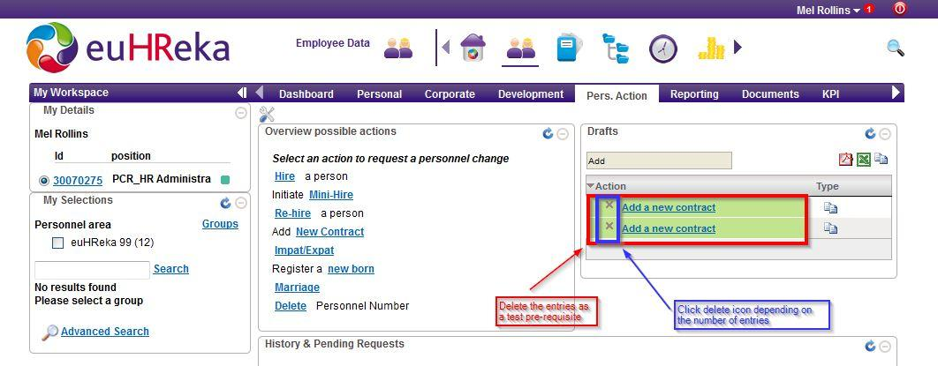
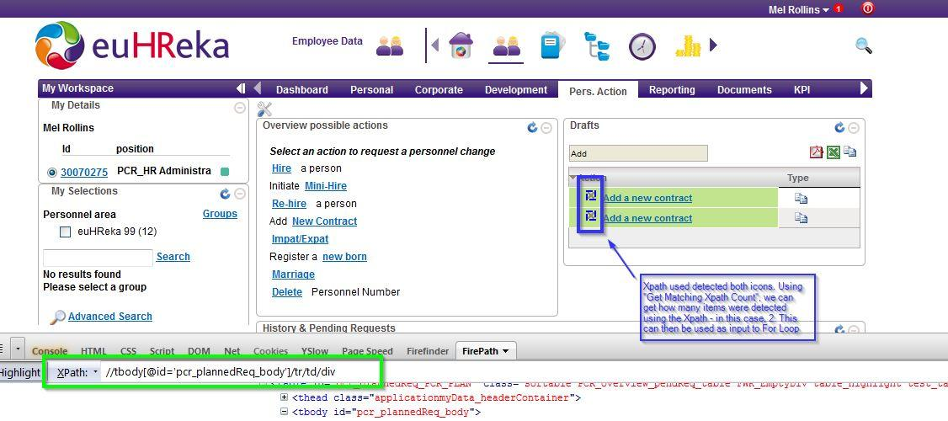
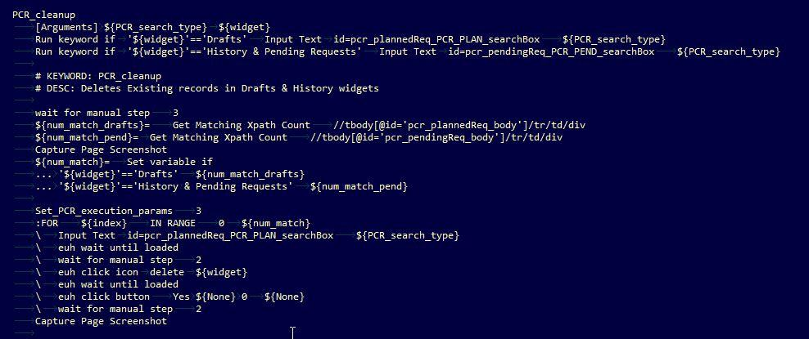
Recipe#1: | Using For Loops to iterate a step n times
 | IN RANGE <initial> <final> , will iterate from initial to final - 1
Solution:
 | # ${userId} = 1,2,3,4,5,6,... 30
 | :FOR | ${userId} | IN RANGE | 1 | 31
 | \ | Log | ${userId}

Note/s: | You can use this for doing repetitive steps in the flow

Recipe#2: | Using For Loops to iterate based on the number of matching elements
 | Click all checkbox in the page - i.e. there are multiple checkboxes
Solution:
 | #use "Get Matching Xpath Count" to count the number of checkboxes, use an xpath locator which will select all checkbox. This keyword will return how many elements match the locator then you can use this in the "For Loop" as the final value
 | ${num_checkbox}= | Get Matching Xpath Count | //li[*]/div/input
 | :FOR | ${index} | IN RANGE | 1 | ${num_checkbox}+1
 | \ | Click Element | ${locator}

Note/s: | The For loop above, will be executed ${num_checkbox} times. For example, if the number of checkbox is 10, Click Element will be triggered 10 times ( 1 to 10)

Handling iFrames - RichText Edi
Recipe#1: | Adding content to a Rich Text Editor (iFrame)
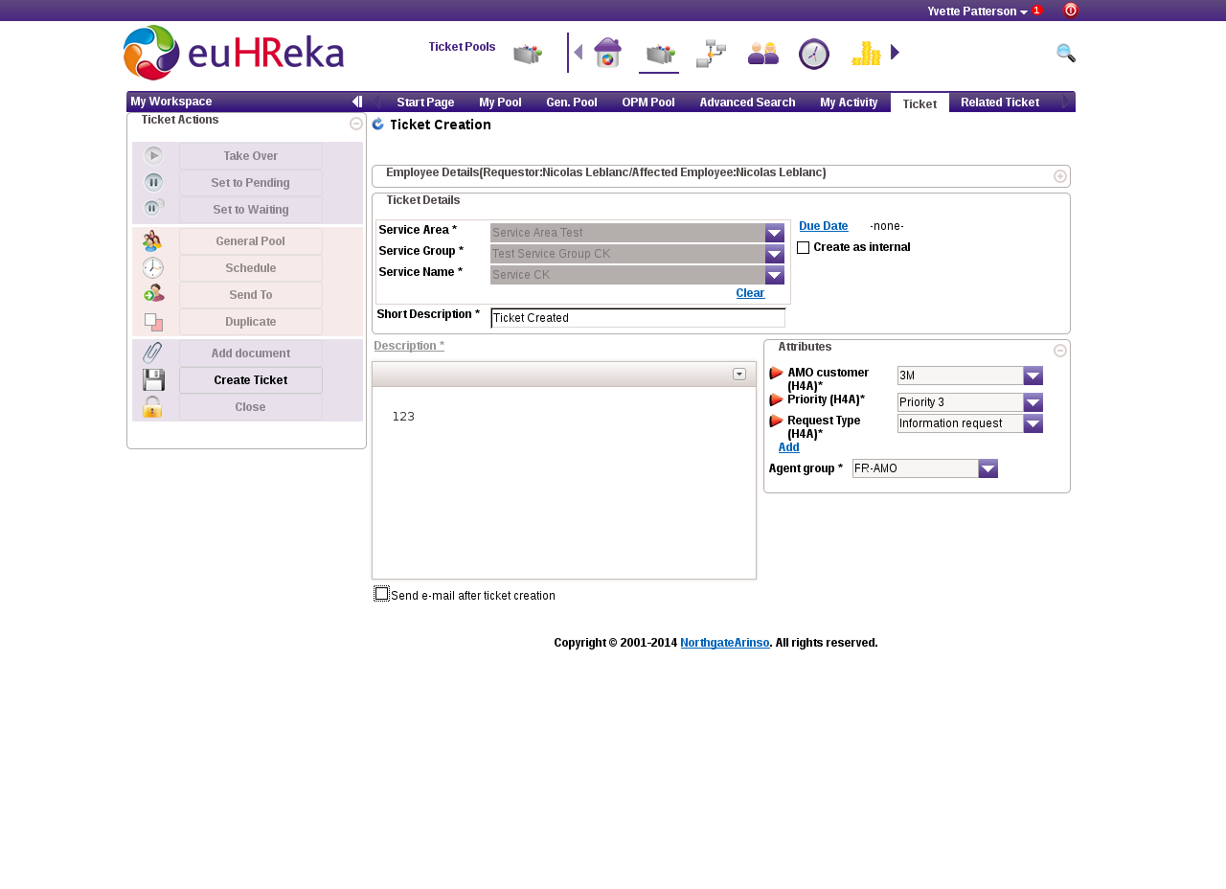
Solution:
 | #css locator for the RTE is common
 | Select Frame | css=[class="cke_wysiwyg_frame cke_reset"]
 | Input Text | //html/body | 123
 | Select Window

Note/s:

Wait
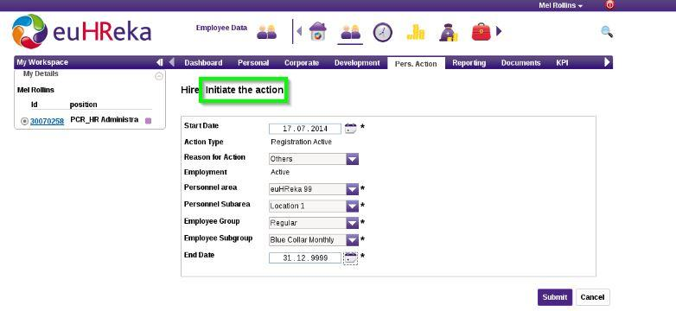
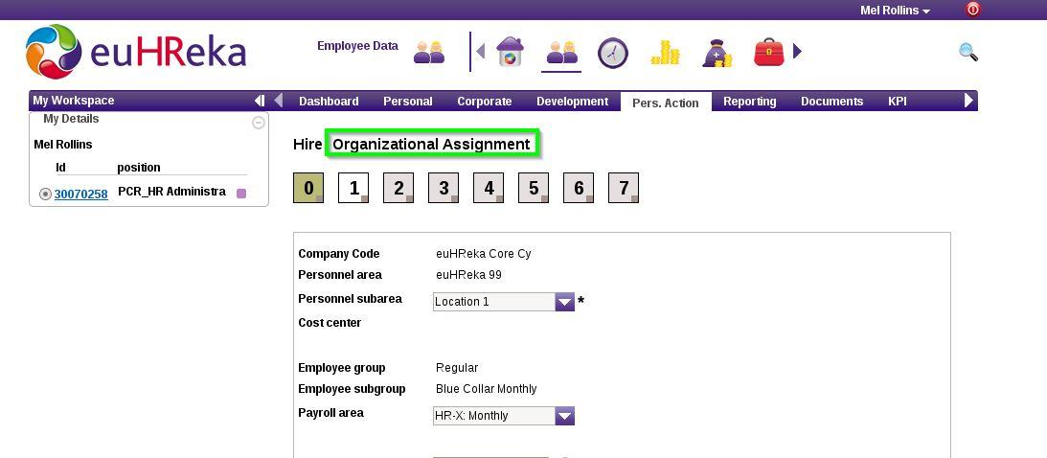
Recipe#1: | Using waits to handle timing issues

Solution:

 | wait until page contains | Initiate the action | 300
 | ...
 | Capture Page Screenshot
 | euh Click Button | Submit
 | euh wait until loaded
 | wait until page contains | Organizational Assignment | 300
 | ...

Note/s:

Date Time Handle
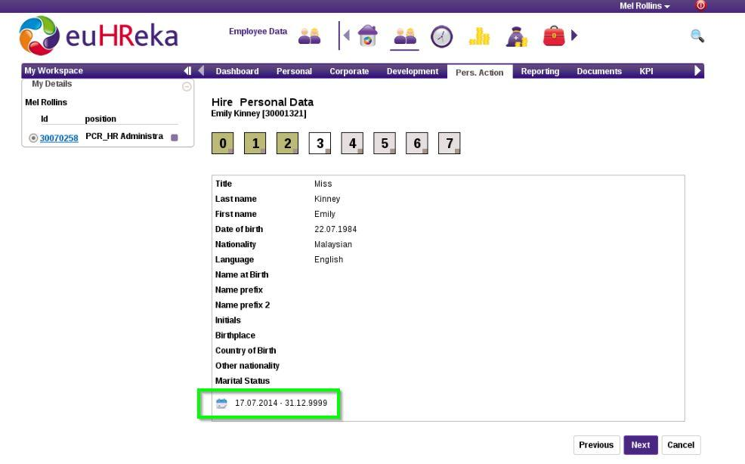
Recipe#1: | Checking validity date label exists - e.g. 18.07.2014 - 31.12.9999

Solution: | Use Evaluate Built-in keyword to use the datetime library, Catenate keyword to append strings & euh check field existence to verify if label exists. ${SPACE} to add space

 | # Check if label <<today>> - 31.12.9999 exists
 | ${date_formatted}= | Evaluate | datetime.datetime.today().strftime("%d.%m.%Y") | datetime
 | ${ValidityDate_disp}= | Catenate | SEPARATOR=- | ${date_formatted}${SPACE} | ${SPACE}31.12.9999
 | euh Check Field Existence | TRUE | ${ValidityDate_disp} | OR:maindiv | 0

 | # Using Get Time to get current date
 | ${yyyy} | ${mm} | ${dd}= | Get Time | day,month,year
 | # Using datetime to get the previous date e.g. get yesterday's date
 | ${date_formatted}= | Evaluate | (datetime.datetime.today() - datetime.timedelta(1)).strftime("%d.%m.%Y") | datetime
 | # Using datetime to get the future date e.g. get tomorrow's date
 | ${date_formatted}= | Evaluate | (datetime.datetime.today() + datetime.timedelta(1)).strftime("%d.%m.%Y") | datetime

Note/s:

